Sheet1
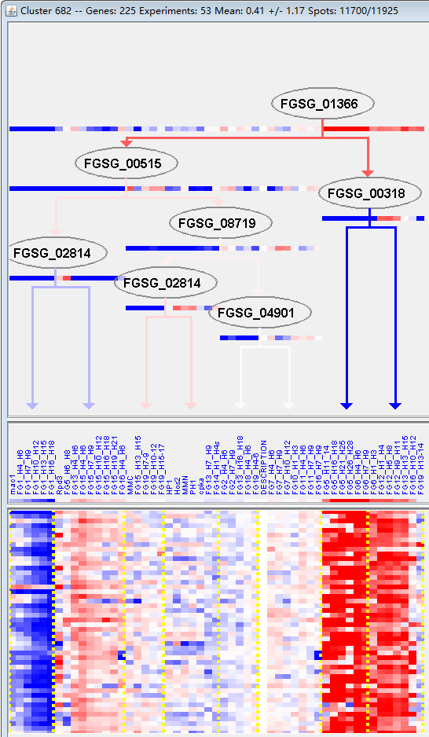
k | Filter | FUNCTIONAL CATEGORY | abs SET | rel SET | genes SET | abs GENOME | rel GENOME | rel SET/rel GENOME | P-VALUE | Bonferroni_corr | FDR
99 UNCLASSIFIED PROTEINS | 143 | 78.5 | FGSG_00093 FGSG_00151 FGSG_00156 FGSG_11693 FGSG_11710 FGSG_00344 FGSG_00412 FGSG_11783 FGSG_00605 FGSG_00624 FGSG_00734 FGSG_00936 FGSG_00944 FGSG_00992 FGSG_01114 FGSG_01127 FGSG_01303 FGSG_01482 FGSG_01563 FGSG_01609 FGSG_01677 FGSG_01726 FGSG_01862 FGSG_02085 FGSG_02177 FGSG_02300 FGSG_02422 FGSG_02711 FGSG_02739 FGSG_11515 FGSG_11582 FGSG_04617 FGSG_04562 FGSG_04561 FGSG_04520 FGSG_04516 FGSG_04494 FGSG_12248 FGSG_04472 FGSG_04455 FGSG_12259 FGSG_04422 FGSG_12260 FGSG_04341 FGSG_04307 FGSG_12287 FGSG_04224 FGSG_12293 FGSG_04200 FGSG_04180 FGSG_04162 FGSG_04048 FGSG_04018 FGSG_03859 FGSG_03763 FGSG_03698 FGSG_12395 FGSG_03434 FGSG_03356 FGSG_12464 FGSG_12476 FGSG_03070 FGSG_12540 FGSG_02947 FGSG_02885 FGSG_12587 FGSG_04942 FGSG_12654 FGSG_05439 FGSG_12784 FGSG_12788 FGSG_12812 FGSG_05785 FGSG_05796 FGSG_05817 FGSG_05868 FGSG_12832 FGSG_12834 FGSG_12841 FGSG_12843 FGSG_05970 FGSG_06140 FGSG_06285 FGSG_06520 FGSG_12941 FGSG_12956 FGSG_06698 FGSG_07056 FGSG_07111 FGSG_07376 FGSG_13165 FGSG_07645 FGSG_13208 FGSG_07748 FGSG_07759 FGSG_13216 FGSG_07813 FGSG_07879 FGSG_07915 FGSG_08912 FGSG_08838 FGSG_13303 FGSG_08482 FGSG_08353 FGSG_08331 FGSG_08330 FGSG_08318 FGSG_13403 FGSG_08165 FGSG_08104 FGSG_08092 FGSG_08050 FGSG_08025 FGSG_13508 FGSG_09056 FGSG_09143 FGSG_13527 FGSG_13533 FGSG_13557 FGSG_09346 FGSG_09394 FGSG_09506 FGSG_09529 FGSG_09702 FGSG_13693 FGSG_10163 FGSG_10428 FGSG_13767 FGSG_10519 FGSG_10557 FGSG_10582 FGSG_13793 FGSG_13794 FGSG_11213 FGSG_11212 FGSG_13835 FGSG_13846 FGSG_11091 FGSG_11085 FGSG_11433 FGSG_11391 FGSG_11378 FGSG_11253 | 7238 | 52.3 | 1.5009560229 | 1.52E-13

99 未分类的蛋白质

